About
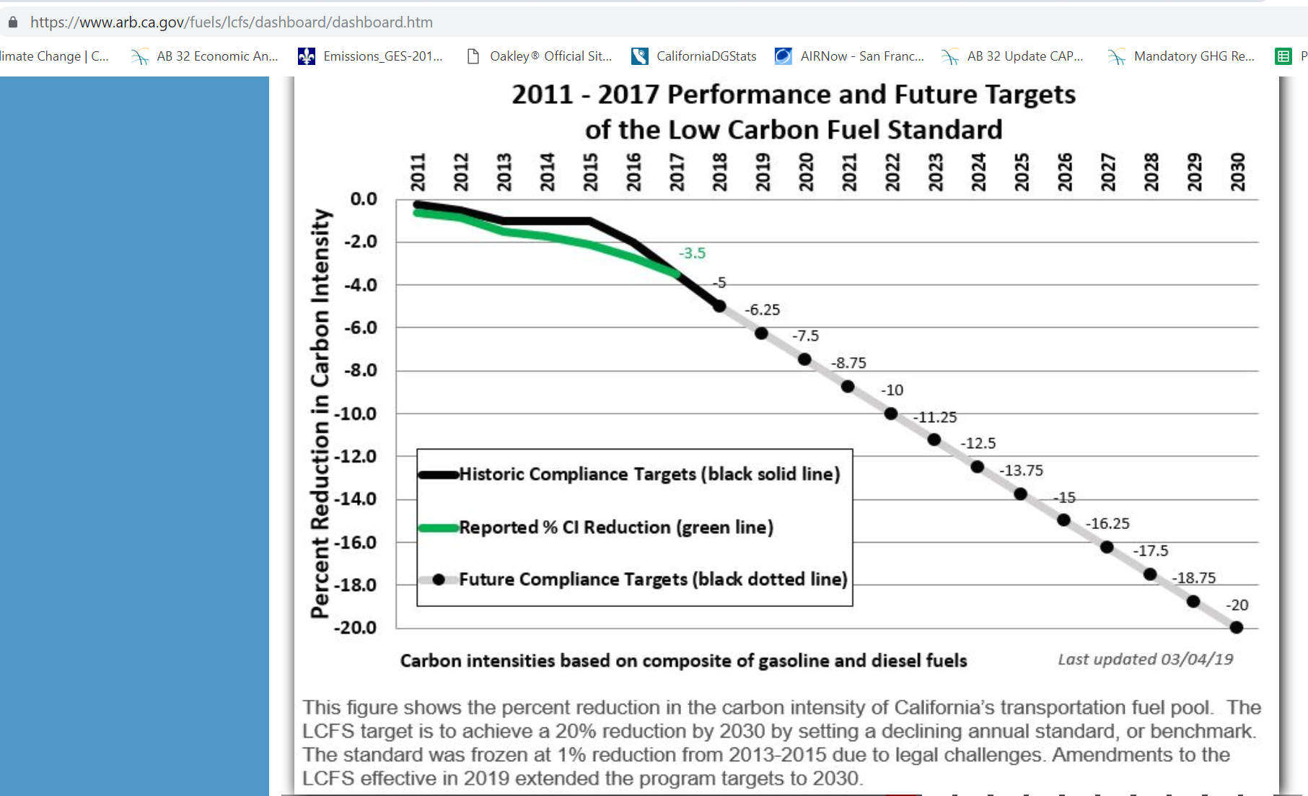
BLP BAU LCFS Percentage

Source: | California Air Resource Board
 | STAFF REPORT: INITIAL STATEMENT OF REASONS
 | https://www.arb.ca.gov/regact/2018/lcfs18/isor.pdf
 | "The amendments also propose smoothing the near-term benchmark schedule by linearly reducing by 1.25 percent annually from a 5 percent reduction in 2018 to the 20 percent value in 2030."
 | Adopted amendments to regulatory schedule.

Notes | The BAU LCF is set such that the 18% target is achieved when combined with the
 | 5 million ZEV mandate. The ZEV mandate is not achieved in the BAU scenario, but
 | is in policy scenario.

 | Absent higher levels of electrification than are achieved in the BAU, the lower level of achievement at 18% is deemed more likely than the currently targeted 20%.

 | To avoid the erosion in biofuel requirement that otherwise would result from the growth in electric vehicles, a mild strengthening over time is imposed after 2030.
 | The intensity improvement required under the hypothetical post-2030 regulation is set at 0.025% annually. This is an assumption, not based on any prediction by policymakers.

BTU per EJ | 9.48E+14

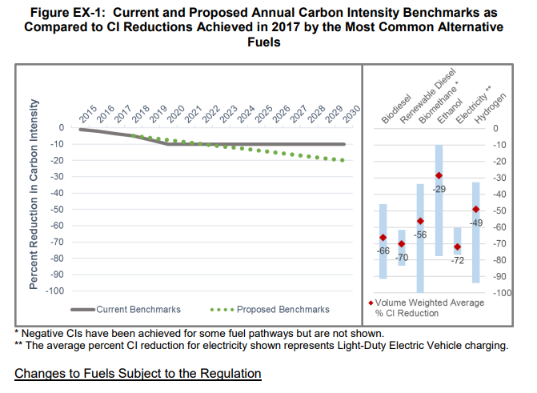

Historical level of performance for the start year. |  | 0.035

